Hand Calcs - Dish
Pointer Base Parameters |  |  | Results
Base Mass (mB) | 3.8820861678 | kg | Falls Over Towards Yagi in 10m/s wind? | FALSE
Legs Horizontal Separation - Front (xB) | 0.62521024484 | m | Falls Over Towards Helical in 10m/s wind? | FALSE |  | (want these all false)
Legs Horizontal Separation - Side (yB) | 0.62521024484 | m | Falls Over Forwards in 10m/s wind? | FALSE
Leg Vertical Height (zB) | 0.17960512242 | m | Beam Bending Stress FOS | 20 | [-]
Top of Base to Beam - Vertical (zT) | 0.381 | m | Yagi Tip Displacement | 9.74 | mm
Side Panel Area (Ap) | 0.0857 | m^2 | First Bending Mode | 4.95 | Hz
 |  |  | First Torsional Mode | 7.56 | Hz
Antenna Parameters
Yagi Mass (m1) | 2.5 | kg
Beam Length to Yagi (x1) | 0.9144 | m
Yagi Length (L1) | 1.36 | m
Dish Mass (m2) | 7.4 | kg
Dish "Length" (L2) | 0.386 | m
Helical Antenna Mass (m3) | 0.25 | kg
Beam Length to Helical Antenna (x3) | 0.9144 | m
Helical Antenna Length (L3) | 0.27 | m

Beam Parameters (Al 6061-T6)
Beam OD | 0.0381 | m
Beam ID | 0.0349 | m
Yield Strength | 276 | MPa
Elastic Modulus | 69 | GPa
Shear Strength | 206 | MPa
Shear Modulus | 26 | GPa
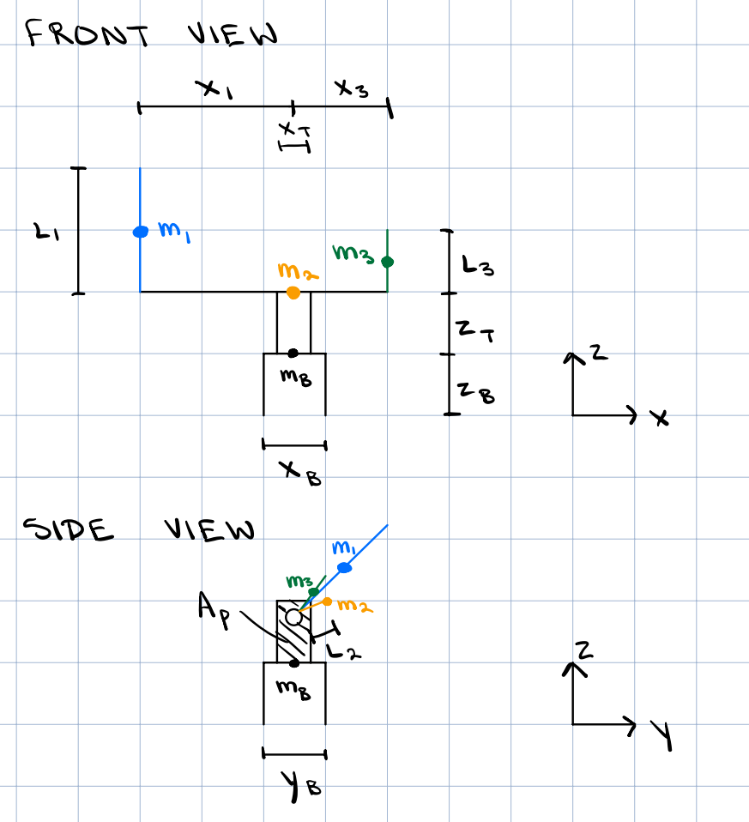
Density | 2700 | kg/m^3

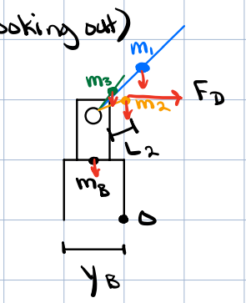
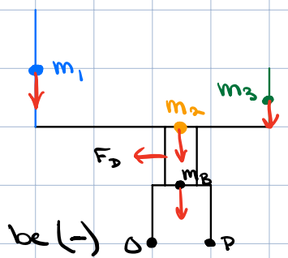
Topple Over Front View Calc
CD Flat Plate | 1.28 | [-]
Wind Velocity | 10 | m/s
Density | 1.225 | kg/m^3
Drag | 13.43776 | N
Sum of Moments Direction 1 (must be <0) | -16.341778825 | N*m
Sum of Moments Direction 2 (must be >0) | 61.193098825 | N*m

Topple Over Side View Calc
Drag on Dish | 25.596 | N
Sum of Moments (must be >0) | 7.0394714505 | N*m

Yagi Bending Calcs
Moment from Yagi | 22.42566 | N*m
Beam 2nd MOI | 3.0612033817E-08 | m^4
Max Bending Stress | 13.955584446 | MPa
FOS | 19.777029121

Tip Displacement | 0.0097356109679 | m

Vibrations
Cross-Sectional Area | 0.00018346901097 | m^2
First Bending Mode | 4.947567066 | Hz

Torsional Stiffness | 870.42090904 | N*m
Yagi MOI | 0.38533333333 | kg*m^2
First Torsional Mode | 7.564260895 | Hz

